Instructions
This template is a simple stakeholder register for identifying and scoring stakeholders and tailoring engagement strategies.

Stakeholder - Identify individuals, organizations, or groups
Sector - Select role from drop-down menu, e.g. resident, local business owner, environmental NGO, community group, local authority, business/private sector, other.

 | resident
 | local business owner
 | environmental NGO
 | community group
 | local authority
 | business/private sector
 | other

Expectations/Interests - Describe their expectations or list their interests and the outcomes they expect from the project.
Importance - How important is the stakeholder? This is an expression of power over the project - can they drive changes, cancel changes, approve budgets, etc.? This generally refers to formal authority in the organisation. Select from the drop-down menu from 1 (low) to 4 (high). |  | 1
 |  | 2
Influence - How influential is the stakeholder and how influential is the project for the stakeholder? This is an expression of what the project means to the stakeholder. Do they have a strong interest in the outcome of the project and/or do they have the ability to influence the outcome? Select from the drop-down menu from 1 (low) to 4 (high). |  | 3
 |  | 4
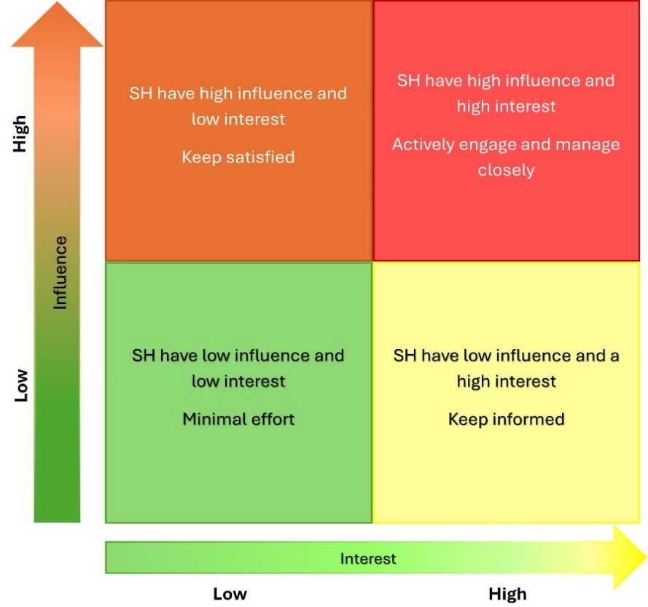

Figure 1 - Mendelow Stakeholder Matrix
Score - This field is calculated by multiplying the previous two fields. Higher values are shaded red, moving through orange and yellow to green for low values. This gives an approximate prioritisation.

 | Keep Satisfied - Stakeholders with high influence but low interest must be satisfied. Keep them satisfied to ensure they remain supportive or neutral.
 | Engage & manage closely: Stakeholders with high influence, high interest quadrant need full engagement. Actively engage and involve them in decision-making processes.
 | Monitor - Stakeholders with low influence and low interest require minimal engagement and monitoring. Monitor them with minimal effort as they are unlikely to impact the project significantly.
 | Keep Informed - Stakeholders with low influence but high interest should be informed. Keep them informed and consult them on matters that interest them.

Current Engagement Status - Select if the stakeholder is supportive (advocate), unsupportive (blocker) or neutral. Update their status as you progress and after using engagement strategies.
Engagement Strategy - Describe the approach to engaging the stakeholder, e.g. inform, consult, involve, collaborate, based on the results of Mendelow's matrix (column H). You can also use the suggestions in the Engagement Strategies sheet to move blockers to neutral/advocate.

